MX Elec Fuel Prices
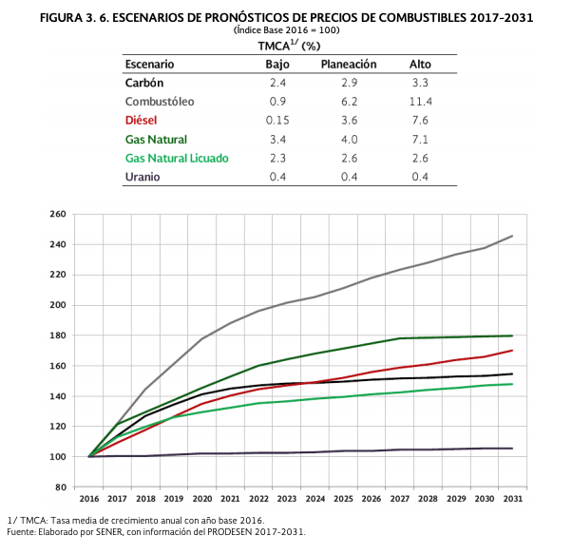
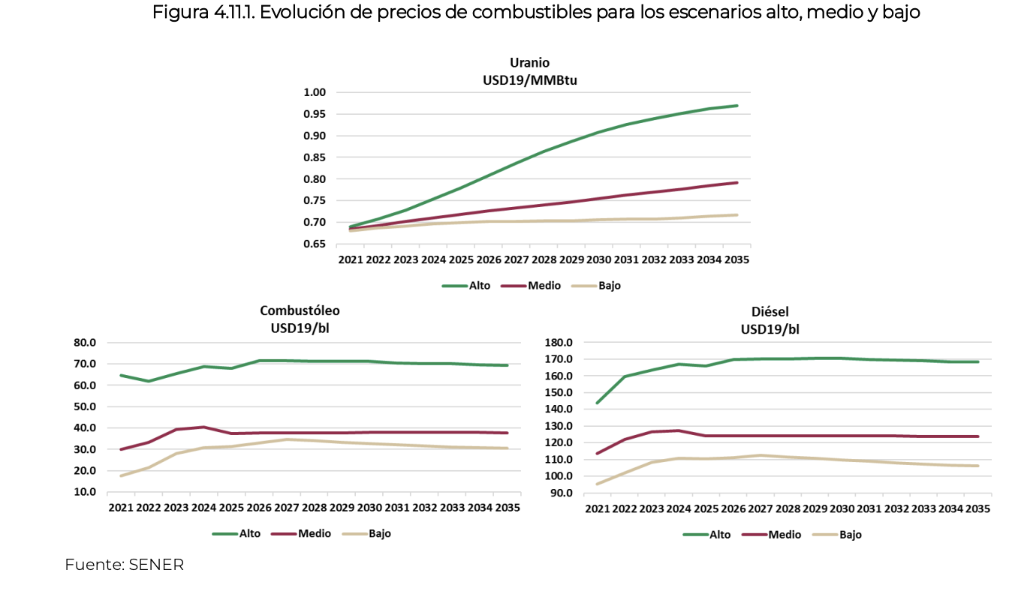
Año |  |  | 2013 | 2014 | 2015 | 2016 | 2017 | 2018 | 2019 | 2020 | 2021 | 2022 | 2023 | 2024 | 2025 | 2026 | 2027 | 2028 | 2029 | 2030 | 2031 | 2032 | 2033 | 2034 | 2035 | 2036 | 2037 | 2038 | 2039 | 2040 | 2041 | 2042 | 2043 | 2044 | 2045 | 2046 | 2047 | 2048 | 2049 | 2050 | 2051 | 2052 | 2053 | 2054 | 2055 | 2056 | 2057 | 2058 | 2059 | 2060 | 2061 | 2062 | 2063 | 2064 | 2065 | 2066 | 2067 | 2068 | 2069 | 2070 | 2071 | 2072
Gas Natural USA | natural gas (imported from USA) | USD/ GJ | 4.33 | 4.38 | 4.43 | 4.50 | 4.63 | 4.84 | 5.11 | 5.51 | 5.67 | 5.82 | 5.91 | 6.00 | 6.09 | 6.26 | 6.43 | 6.47 | 6.52 | 6.57 | 6.65 | 6.74 | 6.83 | 6.91 | 7.01 | 7.10 | 7.19 | 7.29 | 7.38 | 7.48 | 7.50 | 7.93 | 8.01 | 8.13 | 8.25 | 8.37 | 8.48 | 8.60 | 8.72 | 8.84 | 8.95 | 9.07 | 9.19 | 9.31 | 9.43 | 9.54 | 9.66 | 9.78 | 9.90 | 10.02 | 10.13 | 10.25 | 10.37 | 10.49 | 10.61 | 10.72 | 10.84 | 10.96 | 11.08 | 11.20 | 11.31 | 11.43
Gas Natural USA | adjusted based on trend from US EIA's AEO) | USD/ GJ | 4.33 | 4.38 | 4.43 | 4.50 | 4.63 | 4.84 | 5.11 | 5.51 | 7.63 | 6.74 | 6.56 | 6.63 | 6.70 | 6.44 | 6.19 | 6.31 | 6.53 | 6.66 | 6.74 | 6.78 | 6.85 | 6.84 | 6.79 | 6.78 | 6.73 | 6.67 | 6.61 | 6.57 | 6.57 | 6.58 | 6.54 | 6.58 | 6.53 | 6.49 | 6.50 | 6.41 | 6.32 | 6.35
Diesel Doméstico | diesel (domestic origin) | USD/ GJ | 19.32 | 18.21 | 18.61 | 18.60 | 18.50 | 18.46 | 18.47 | 18.82 | 18.82 | 18.84 | 18.85 | 18.86 | 18.87 | 18.93 | 18.99 | 19.06 | 19.13 | 19.20 | 19.14 | 19.08 | 19.01 | 18.95 | 18.89 | 18.86 | 18.82 | 18.78 | 18.75 | 18.71 | 18.75 | 18.81 | 18.96 | 18.97 | 18.98 | 18.98 | 18.99 | 19.00 | 19.01 | 19.01 | 19.02 | 19.03 | 19.04 | 19.05 | 19.05 | 19.06 | 19.07 | 19.08 | 19.09 | 19.09 | 19.10 | 19.11 | 19.12 | 19.13 | 19.13 | 19.14 | 19.15 | 19.16 | 19.17 | 19.17 | 19.18 | 19.19
Combustóleo Doméstico | fuel oil (domestic origin) |  | 12.33 | 11.76 | 11.05 | 11.13 | 11.22 | 11.23 | 11.25 | 11.23 | 11.26 | 11.28 | 11.30 | 11.31 | 11.33 | 11.38 | 11.42 | 11.45 | 11.49 | 11.52 | 11.49 | 11.46 | 11.43 | 11.40 | 11.37 | 11.34 | 11.31 | 11.27 | 11.24 | 11.21 | 11.24 | 11.29 | 11.28 | 11.28 | 11.27 | 11.27 | 11.26 | 11.26 | 11.25 | 11.25 | 11.24 | 11.24 | 11.23 | 11.23 | 11.22 | 11.22 | 11.21 | 11.21 | 11.20 | 11.19 | 11.19 | 11.18 | 11.18 | 11.17 | 11.17 | 11.16 | 11.16 | 11.15 | 11.15 | 11.14 | 11.14 | 11.13
Carbón Doméstico | coal (domestic origin) | USD/ GJ | 2.52 | 2.60 | 2.73 | 2.87 | 2.91 | 2.86 | 2.92 | 3.05 | 3.04 | 3.04 | 2.96 | 2.93 | 2.91 | 2.99 | 3.08 | 3.10 | 3.13 | 3.15 | 3.20 | 3.24 | 3.29 | 3.33 | 3.38 | 3.42 | 3.47 | 3.52 | 3.57 | 3.62 | 3.67 | 3.68 | 3.66 | 3.69 | 3.73 | 3.76 | 3.80 | 3.83 | 3.86 | 3.90 | 3.93 | 3.96 | 4.00 | 4.03 | 4.06 | 4.10 | 4.13 | 4.17 | 4.20 | 4.23 | 4.27 | 4.30 | 4.33 | 4.37 | 4.40 | 4.43 | 4.47 | 4.50 | 4.54 | 4.57 | 4.60 | 4.64
Carbón Import. Petacalco | coal (imported) |  | 4.93 | 5.17 | 5.35 | 5.50 | 5.50 | 5.41 | 5.36 | 5.42 | 5.46 | 5.54 | 5.57 | 5.64 | 5.71 | 5.73 | 5.77 | 5.80 | 5.84 | 5.88 | 5.97 | 6.05 | 6.14 | 6.22 | 6.31 | 6.40 | 6.49 | 6.58 | 6.67 | 6.76 | 6.80 | 6.82 | 6.79 | 6.85 | 6.90 | 6.96 | 7.02 | 7.08 | 7.13 | 7.19 | 7.25 | 7.31 | 7.36 | 7.42 | 7.48 | 7.54 | 7.59 | 7.65 | 7.71 | 7.77 | 7.83 | 7.88 | 7.94 | 8.00 | 8.06 | 8.11 | 8.17 | 8.23 | 8.29 | 8.34 | 8.40 | 8.46
Coque de Petróleo | petroleum coke | USD/GJ | 1.69 | 1.64 | 1.64 | 1.57 | 1.44 | 1.34 | 1.29 | 1.25 | 1.23 | 1.20 | 1.18 | 1.17 | 1.15 | 1.13 | 1.13 | 1.11 | 0.97 | 0.93 | 0.89 | 0.85 | 0.81 | 0.77 | 0.73 | 0.69 | 0.65 | 0.61 | 0.57 | 0.53 | 0.52 | 0.53 | 0.53 | 0.53 | 0.53 | 0.53 | 0.53 | 0.53 | 0.53 | 0.53 | 0.53 | 0.52 | 0.52 | 0.52 | 0.52 | 0.52 | 0.52 | 0.52 | 0.52 | 0.52 | 0.52 | 0.52 | 0.52 | 0.52 | 0.52 | 0.52 | 0.52 | 0.52 | 0.52 | 0.52 | 0.52 | 0.52
Uranio | uranium | USD/ GJ | 0.48 | 0.48 | 0.49 | 0.49 | 0.49 | 0.49 | 0.49 | 0.50 | 0.50 | 0.50 | 0.50 | 0.50 | 0.50 | 0.50 | 0.51 | 0.51 | 0.51 | 0.51 | 0.51 | 0.51 | 0.52 | 0.52 | 0.52 | 0.52 | 0.52 | 0.53 | 0.53 | 0.53 | 0.53 | 0.53 | 0.54 | 0.54 | 0.54 | 0.54 | 0.55 | 0.55 | 0.55 | 0.55 | 0.55 | 0.55 | 0.56 | 0.56 | 0.56 | 0.56 | 0.56 | 0.57 | 0.57 | 0.57 | 0.57 | 0.57 | 0.58 | 0.58 | 0.58 | 0.58 | 0.58 | 0.59 | 0.59 | 0.59 | 0.59 | 0.59
Vapor Geotérmico | geothermal steam | USD/MWh | 38.05 | 38.05 | 38.05 | 38.05 | 38.05 | 38.05 | 38.05 | 38.05 | 38.05 | 38.05 | 38.05 | 38.05 | 38.05 | 38.05 | 38.05 | 38.05 | 38.05 | 38.05 | 38.05 | 38.05 | 38.05 | 38.05 | 38.05 | 38.05 | 38.05 | 38.05 | 38.05 | 38.05 | 38.05 | 38.05 | 38.05 | 38.05 | 38.05 | 38.05 | 38.05 | 38.05 | 38.05 | 38.05 | 38.05 | 38.05 | 38.05 | 38.05 | 38.05 | 38.05 | 38.05 | 38.05 | 38.05 | 38.05 | 38.05 | 38.05 | 38.05 | 38.05 | 38.05 | 38.05 | 38.05 | 38.05 | 38.05 | 38.05 | 38.05 | 38.05
Agua hidro | hydro | USD/MWh | 0.79 | 0.79 | 0.79 | 0.79 | 0.79 | 0.79 | 0.79 | 0.79 | 0.79 | 0.79 | 0.79 | 0.79 | 0.79 | 0.79 | 0.79 | 0.79 | 0.79 | 0.79 | 0.79 | 0.79 | 0.79 | 0.79 | 0.79 | 0.79 | 0.79 | 0.79 | 0.79 | 0.79 | 0.79 | 0.79 | 0.79 | 0.79 | 0.79 | 0.79 | 0.79 | 0.79 | 0.79 | 0.79 | 0.79 | 0.79 | 0.79 | 0.79 | 0.79 | 0.79 | 0.79 | 0.79 | 0.79 | 0.79 | 0.79 | 0.79 | 0.79 | 0.79 | 0.79 | 0.79 | 0.79 | 0.79 | 0.79 | 0.79 | 0.79 | 0.79
Agua Mini | mini hydro | USD/MWh | 0.30 | 0.30 | 0.30 | 0.30 | 0.30 | 0.30 | 0.30 | 0.30 | 0.30 | 0.30 | 0.30 | 0.30 | 0.30 | 0.30 | 0.30 | 0.30 | 0.30 | 0.30 | 0.30 | 0.30 | 0.30 | 0.30 | 0.30 | 0.30 | 0.30 | 0.30 | 0.30 | 0.30 | 0.30 | 0.30 | 0.30 | 0.30 | 0.30 | 0.30 | 0.30 | 0.30 | 0.30 | 0.30 | 0.30 | 0.30 | 0.30 | 0.30 | 0.30 | 0.30 | 0.30 | 0.30 | 0.30 | 0.30 | 0.30 | 0.30 | 0.30 | 0.30 | 0.30 | 0.30 | 0.30 | 0.30 | 0.30 | 0.30 | 0.30 | 0.30
Bagazo de Caña | sugarcane bagasse | USD/ GJ | 0.00146 | 0.00146 | 0.00146 | 0.00146 | 0.00146 | 0.00146 | 0.00146 | 0.00146 | 0.00146 | 0.00146 | 0.00146 | 0.00146 | 0.00146 | 0.00146 | 0.00146 | 0.00146 | 0.00146 | 0.00146 | 0.00146 | 0.00146 | 0.00146 | 0.00146 | 0.00146 | 0.00146 | 0.00146 | 0.00146 | 0.00146 | 0.00146 | 0.00146 | 0.00146 | 0.00146 | 0.00146 | 0.00146 | 0.00146 | 0.00146 | 0.00146 | 0.00146 | 0.00146 | 0.00146 | 0.00146 | 0.00146 | 0.00146 | 0.00146 | 0.00146 | 0.00146 | 0.00146 | 0.00146 | 0.00146 | 0.00146 | 0.00146 | 0.00146 | 0.00146 | 0.00146 | 0.00146 | 0.00146 | 0.00146 | 0.00146 | 0.00146 | 0.00146 | 0.00146
 |  |  |  |  |  |  |  |  |  |  |  |  |  |  |  |  |  | https://www.cenace.gob.mx/Docs/10_PLANEACION/ProgramasAyM/Programa%20de%20Ampliaci%C3%B3n%20y%20Modernizaci%C3%B3n%20de%20la%20RNT%20y%20RGD%202021%20-%202035.pdf
 |  |  |  |  |  |  |  |  |  |  |  |  |  |  |  |  |  | Programa de Ampliación y Modernización de la RNT y RGD 2021 - 2035.pdf
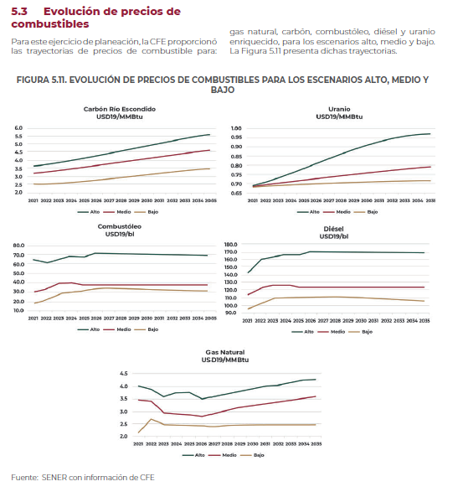
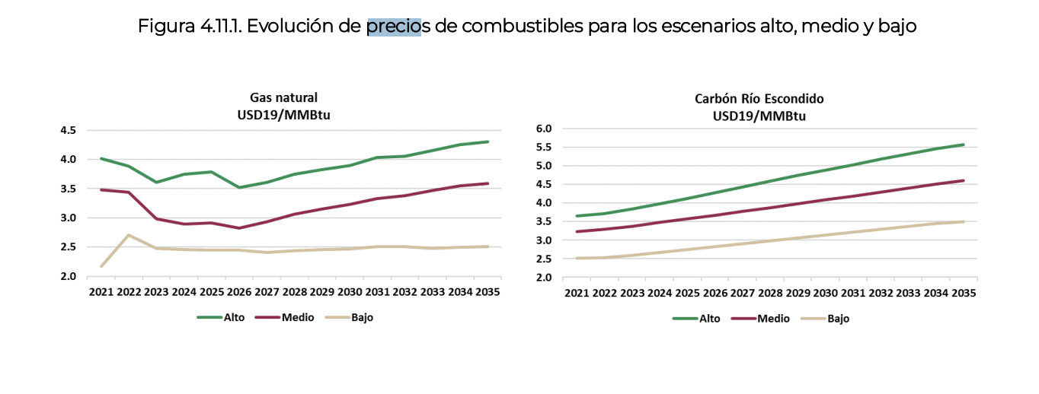
Prospectiva 2017'2031 |  |  |  |  |  |  | Prospectiva 2121-2034

MX Elec Prices by Sector
Sistema de Información Energética
Secretaria de Energía
Precios medios de energía eléctrica por sector tarifario
(centavos por kilowatts-hora)
2/
6/
2/
3/
1/
3/
3/
3/
3/
e/
3/
6/
6/
6/
6/
6/
6/
6/
6/
6/
6/
6/
 | REALES-ANUAL
 | I/2002 | I/2003 | I/2004 | I/2005 | I/2006 | I/2007 | I/2008 | I/2009 | I/2010 | I/2011 | I/2012 | I/2013 | I/2014 | I/2015 | I/2016 | I/2017
 |  |  |  |  |  |  |  |  |  |  |  |  |  |  |  | 0
Total | 72.0775 | 84.829166667 | 95.335 | 102.84333333 | 113.89 | 117.99416667 | 137.43666667 | 121.87 | 133.8825 | 142.83 | 149.58833333 | 152.71 | 158.10643333 | 139.14678333 | 140.24878333 | 151.6059
Residencial | 77.4975 | 85.205 | 88.898333333 | 92.8 | 99.265 | 102.56833333 | 107.13083333 | 107.86416667 | 113.27 | 118.32416667 | 118.60833333 | 116.015 | 119.84975 | 119.58180833 | 118.7252 | 109.43829167
Servicios | 125.1975 | 133.95666667 | 140.91916667 | 148.06166667 | 157.0525 | 166.16333333 | 172.13416667 | 175.89166667 | 186.11166667 | 196.36416667 | 208.21916667 | 225.90416667 | 235.6947 | 251.6019 | 267.69886667 | 260.55135
Comercial | 137.18916667 | 161.21166667 | 186.01166667 | 205.455 | 231.13583333 | 239.08166667 | 254.76416667 | 237.79666667 | 256.9125 | 272.35666667 | 291.26583333 | 294.6025 | 303.57990833 | 280.15525 | 285.68486667 | 316.59905
4/
Agrícola | 32.821666667 | 36.776666667 | 39.7925 | 43.769166667 | 45.325 | 48.140833333 | 52.2425 | 44.244166667 | 49.176666667 | 55.605 | 58.510833333 | 53.658333333 | 48.754291667 | 56.276375 | 58.9049 | 55.571383333
5/
Industrial | 60.765833333 | 75.013333333 | 87.163333333 | 95.705 | 107.90666667 | 111.61 | 140.54083333 | 116.42583333 | 131.42333333 | 143.395 | 150.88583333 | 155.19 | 161.60816667 | 129.68346667 | 131.25826667 | 154.08201667
6/
Empresa mediana | 69.640833333 | 84.72 | 97.449166667 | 106.6075 | 119.19 | 123.65583333 | 152.4775 | 127.16166667 | 143.28833333 | 156.2675 | 164.99916667 | 168.56 | 174.56361667 | 141.75724167 | 143.14550833 | 165.902025
Gran industria | 48.0675 | 60.279166667 | 70.958333333 | 78.033333333 | 88.615 | 90.738333333 | 119.09916667 | 95.596666667 | 110.0175 | 121.59166667 | 127.51916667 | 132.14416667 | 138.1321 | 106.18065833 | 107.018375 | 127.34895

5/
Fuente: Sistema de Información Energética con información de CFE, incluye información de la extinta LyFC.

p/
Review Oct. 2021
Sistema de Información Energética
Secretaria de Energía
p/
Precios medios de energía eléctrica por sector tarifario
(centavos por kilowatts-hora)

p/
 | REALES-ANUAL
 | I/2002 | I/2003 | I/2004 | I/2005 | I/2006 | I/2007 | I/2008 | I/2009 | I/2010 | I/2011 | I/2012 | I/2013 | I/2014 | I/2015 | I/2016 | I/2017
p/
p/
p/
p/
Total | 72.0775 | 84.829166667 | 95.335 | 102.84333333 | 113.89 | 117.99416667 | 137.43666667 | 121.87 | 133.8825 | 142.83 | 149.58833333 | 152.71 | 158.10643333 | 139.14678333 | 140.24878333 | 151.6059
Residencial | 77.4975 | 85.205 | 88.898333333 | 92.8 | 99.265 | 102.56833333 | 107.13083333 | 107.86416667 | 113.27 | 118.32416667 | 118.60833333 | 116.015 | 119.84975 | 119.58180833 | 118.7252 | 109.43829167
Servicios | 125.1975 | 133.95666667 | 140.91916667 | 148.06166667 | 157.0525 | 166.16333333 | 172.13416667 | 175.89166667 | 186.11166667 | 196.36416667 | 208.21916667 | 225.90416667 | 235.6947 | 251.6019 | 267.69886667 | 260.55135
p/
Comercial | 137.18916667 | 161.21166667 | 186.01166667 | 205.455 | 231.13583333 | 239.08166667 | 254.76416667 | 237.79666667 | 256.9125 | 272.35666667 | 291.26583333 | 294.6025 | 303.57990833 | 280.15525 | 285.68486667 | 316.59905
p/
p/
Agrícola | 32.821666667 | 36.776666667 | 39.7925 | 43.769166667 | 45.325 | 48.140833333 | 52.2425 | 44.244166667 | 49.176666667 | 55.605 | 58.510833333 | 53.658333333 | 48.754291667 | 56.276375 | 58.9049 | 55.571383333
p/
Industrial | 60.765833333 | 75.013333333 | 87.163333333 | 95.705 | 107.90666667 | 111.61 | 140.54083333 | 116.42583333 | 131.42333333 | 143.395 | 150.88583333 | 155.19 | 161.60816667 | 129.68346667 | 131.25826667 | 154.08201667
Empresa mediana | 69.640833333 | 84.72 | 97.449166667 | 106.6075 | 119.19 | 123.65583333 | 152.4775 | 127.16166667 | 143.28833333 | 156.2675 | 164.99916667 | 168.56 | 174.56361667 | 141.75724167 | 143.14550833 | 165.902025
p/
p/
Gran industria | 48.0675 | 60.279166667 | 70.958333333 | 78.033333333 | 88.615 | 90.738333333 | 119.09916667 | 95.596666667 | 110.0175 | 121.59166667 | 127.51916667 | 132.14416667 | 138.1321 | 106.18065833 | 107.018375 | 127.34895
p/
p/
Fuente: Sistema de Información Energética con información de CFE, incluye información de la extinta LyFC.

p/
p/

